Page1
Evaluation Warning : The document was created with Spire.PDF for java.

 | Y | PIC |  | Confirmation |  |  |  |  |  |  |  |  |  |  |  |  |  |  |  |  | PIC |  | Confirmation
 | e
 | o o |  |  |  |  |  |  |  |  | Inspection Report

 | n | C. Y. W |  |  |  | L. J. H
 | h

 |  |  | Yeonho |  | Electronics
 | Company |  |  | Corporation |  |  |  |  | PART |  | NO. |  | 25081HS-06C |  |  |  |  |  | LOT |  | Q'ty |  | 20,000 |  | EA
 | Applied
 | Model |  |  |  |  |  |  |  | INVOICE |  | NO |  | SY23-0321-01 |  |  |  |  |  | LOT |  | NO. |  |  | 14.03.23
 | Inspected |  | Yeonho |  | 10.03.23 |  |  |  |  |  |  | Yeonho |  | Cho |  | Yong | Woo |  | Acceptanc |  |  | Yeonho |  |  | OK
 |  |  |  |  |  |  |  |  | Inspector |  |  |  |  |  |  |  |  |  |  |  | e
 | Date |  |  |  |  |  |  |  |  |  |  |  |  |  |  |  |  |  | Testing

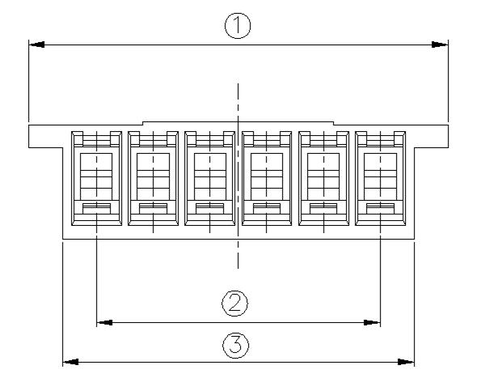
 |  |  |  |  |  |  |  | Number |  | of | Number | of
 | Check | list | Test | Method | & | Condition |  | Samples |  |  | Defects
 | Appearance |  | G | - Ⅱ, | AQL | = | 1.0 |  |  |  |  | 0

 | Meas. ① |  | CHECK |  | = 5, C |  | = 0 |  | 5 |  |  | 0

 | Meas. ② |  |  |  | 〃 |  |  |  | 5 |  |  | 0

 | Meas. ③ |  |  |  | 〃 |  |  |  | 5 |  |  | 0

 | Article |  |  |  |  |  | Appearnace |  |  |  | Meas. ① |  |  |  |  | Meas. ② |  |  |  |  | Meas. |  | ③

 |  |  |  |  |  |  | A damage |  | and
 |  |  |  |  |  |  | stain would |  |  | not
 |  |  |  | Inspector |  |  | be founded |  |  | at | 18.5±0.2 |  |  |  |  | 12.5±0.2 |  |  |  |  | 15.5±0.2
 |  |  |  |  |  |  | plating |  | layer
 |  | 1 |  | Yeonho |  |  |  | OK |  |  |  | 18.52 |  |  |  | 12.51 |  |  |  |  | 15.52

 |  | 1 |  | PSM

 |  | 2 |  | Yeonho |  |  |  | OK |  |  |  | 18.51 |  |  |  | 12.52 |  |  |  |  | 15.53

 |  | 2 |  | PSM

 |  | 3 |  | Yeonho |  |  |  | OK |  |  |  | 18.52 |  |  |  | 12.51 |  |  |  |  | 15.52

 |  | 3 |  | PSM

 |  | 4 |  | Yeonho |  |  |  | OK |  |  |  | 18.52 |  |  |  | 12.51 |  |  |  |  | 15.52

 |  | 4 |  | PSM

 |  | 5 |  | Yeonho |  |  |  | OK |  |  |  | 18.52 |  |  |  | 12.52 |  |  |  |  | 15.53

 |  | 5 |  | PSM

 |  | 6 |  |  |  |  |  | OK

 |  | 7 |  |  |  |  |  | OK

 |  | 8 |  |  |  |  |  | OK

 |  | 9 |  |  |  |  |  | OK

 | 10 |  |  |  |  |  |  | OK

 |  | χ |  |  |  |  |  | OK |  |  |  | 18.518 |  |  |  | 12.514 |  |  |  |  | 15.524

 |  |  | Environmental |  |  |  | Does this |  |  | product |  | satisfied |  |  | with | the | list | of
 | Special |  | substances |  |  |  |  |  |  |  |  | regulated |  |  |  |  |  |  |  |  |  |  | OK
 | feature | & |  |  | This | LOT | satisfies our |  |  | shipping |  | inspection regulations |  |  |  |  |  |  | and | guarantees its quality.
 | Major
 | defect |  |  |  |  |  |  |  |  |  |  |  |  |  |  |  | Quality assurance Dept.

 |  |  |  |  |  |  |  |  | Yeonho |  | Electronics Corporation

